Sheet1
 |  | Bug Summary Report
Submitted by: | Date:
Sidra Suleman | 16-12-2022

Summary | Filters can not be selected more than one.
Title | Multiple filter selection.
Module Name | DVAGO - Babycare
Description | On any selected category, the user must be able to select more than one filter.
Bug_ID | ID_01
Defect Severity | Medium
Defect Priority | High
Status | Fail
URL of application | https://dvago.pk/collections/baby-care/baby-food?grid_list=grid-view
Browser used | Chrome
Assigned to: | Developer

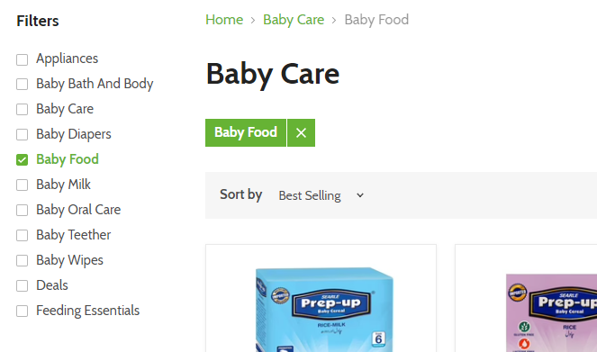
Screenshot

